Legend
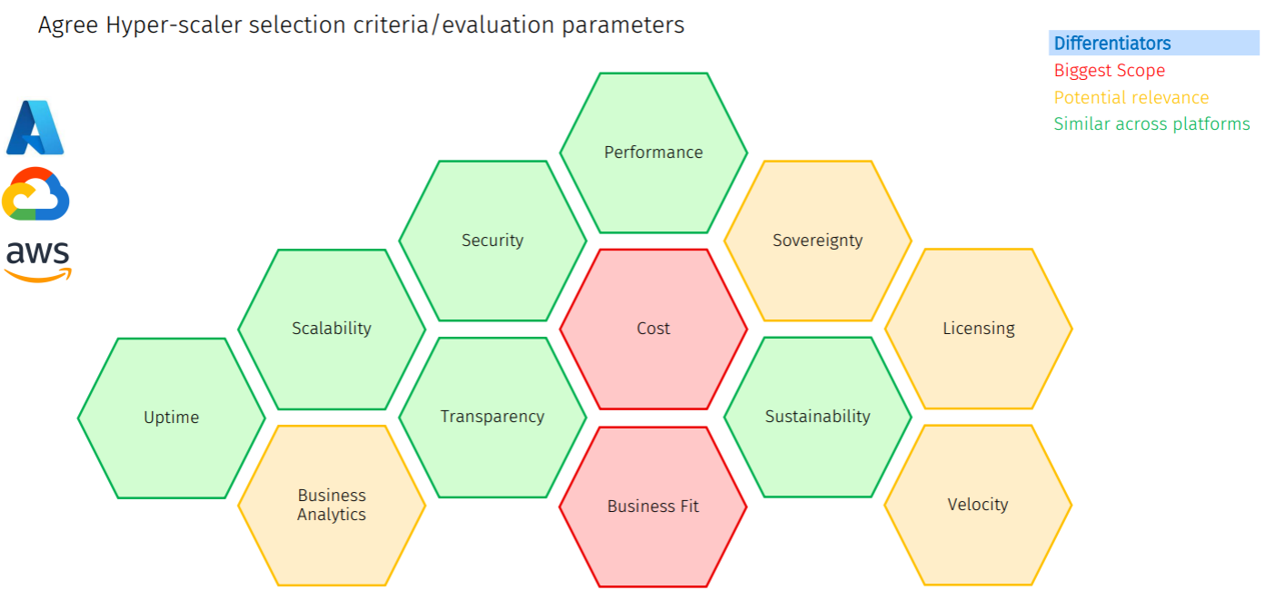
Weighting Criteria Definition
Cloud Provider Evaluation

Weighting Multiplier | Weighting Meaning | Explanation | Example
0 | TBC | Not yet assessed | Not yet assessed
1 | Very Low Importance | Very Low Importance : The criterion has minimal relevance or impact on the overall decision. | Scalability is not a priority for a small, static workload.
2 | Low Importance | Low Importance : The criterion has limited influence but may become relevant in specific cases. | Compliance is moderately important but not a blocker for internal-use applications.
3 | Moderate Importance | Moderate Importance : The criterion is important but balanced equally with other factors. | Performance matters, but cost and compliance are equally significant.
4 | High Importance | High Importance : The criterion has a strong influence and is a key factor in decision-making. | Cost is a major consideration for budget-conscious stakeholders.
5 | Very High Importance | Very High Importance: The criterion is critical and significantly outweighs other considerations. | Data residency is essential for compliance with government regulations.

Scoring Criteria
Cloud Provider Evaluation

Score | Fit Level | Description of Organizational & Strategic Alignment | eg: Commercial & Ecosystem Alignment | Eg: Risk Profile
0 | TBC | Not yet assessed | Not yet assessed | Not yet assessed
1 | Poor Fit | Major misalignment with company strategy, operating model, or technology direction. Would require significant organizational change to adopt. | Weak enterprise engagement. Limited partner ecosystem support in required regions/industry. Minimal commercial flexibility. | High execution risk. Likely cost overruns, delays, and internal resistance.
2 | Limited Fit | Some alignment, but meaningful gaps in industry maturity, enterprise tooling integration, or operating model compatibility. | Commercial terms rigid. Partner ecosystem exists but lacks depth in required specialization. | Moderate-to-high risk. Additional governance and transformation effort required.
3 | Adequate Fit | Acceptable alignment with enterprise strategy and operating model. Integration feasible with manageable change effort. | Standard enterprise agreement options available. Mature global partner ecosystem. | Moderate risk. Manageable transformation effort with structured program oversight.
4 | Strong Fit | Clear strategic alignment with digital roadmap and enterprise architecture direction. Supports target operating model with minimal friction. | Strong account team, industry expertise, flexible commercial structuring, strong SI/ISV ecosystem. | Low risk. High probability of successful adoption and internal buy-in.
5 | Strategic Advantage | Direct accelerator of business strategy. Enables innovation, market differentiation, or regulatory leadership. High executive sponsorship alignment. | Executive-level engagement, co-innovation programs, strong industry specialization, highly flexible commercial model. | Very low risk. Provider becomes a strategic partner, not just a vendor.

